Sheet1
Write a detailed checklist for the Ukrposhta website functionality (https://ukrposhta.ua/): 2-3 functionality, at least 5-7 checks for 1 functionality
Site https://ukrposhta.ua/ | Passed/ Failed | Result | Notes
Header
1. Сheck the dialing of 0 800 300 545 number in the header | Passed | The dialing window is displayed after pressing the "0 800 300 545" button
2. Check the window for sending a letter is displayed after clicking the “ukrposhta@ukrposhta.ua” button | Failed | The window for sending a letter is not displayed on the page after clicking the “ukrposhta@ukrposhta.ua” button | 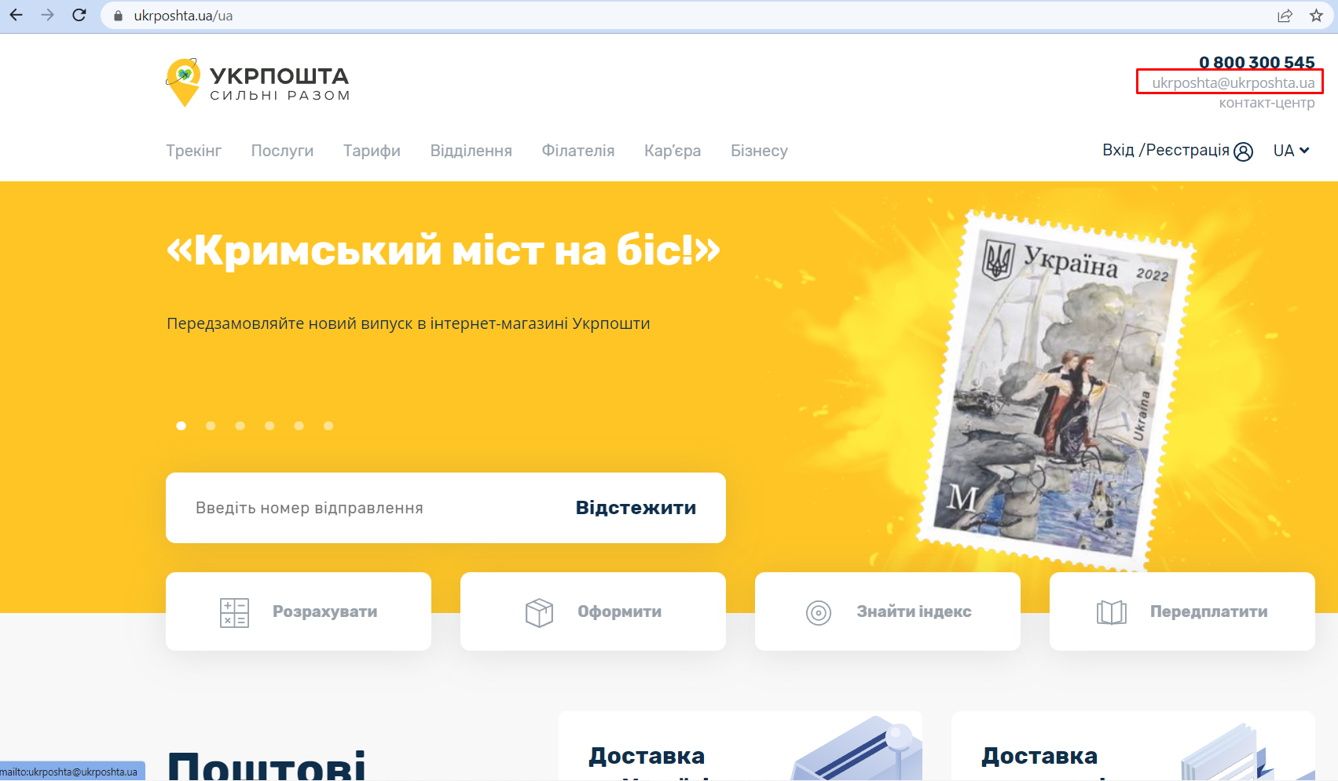
3. Check dropdown menu is displayed after clicking on the "UA" item | Passed | The dropdown menu is displayed after clicking on the "UA" item
4. Check the site main page is displayed after clicking the logo when the user is on any other page | Passed | The site main page is displayed after clicking the logo when the user is on any other page
5. Check the “Контакт-центр” page is displayed on the site after clicking on the “контакт-центр” button | Passed | The “Контакт-центр” page is displayed on the site after clicking on the “контакт-центр” button
6. Check the “Особистий кабінет” page is displayed after clicking on the “Вхід/Реєстрація” button | Passed | The “Особистий кабінет” page is displayed after clicking on the “Вхід/Реєстрація” button
7. Check the header is fixed after scrolling down the page | Passed | The header is fixed after scrolling down the page
Main page
8. Check the banners are highlighted in different colors in the "Поштові послуги" block after hovering them with the mouse | Passed | The banners are highlighted in different colors in the "Поштові послуги" block after hovering them with the mouse
9. Check all main page content is displayed in English after choosing the English language | Failed | The News block is displayed with empty banners and banner in Ukrainian language | 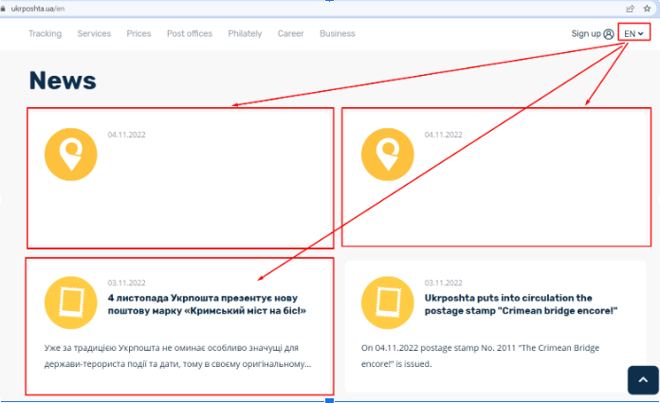
10. Check that the next banner is displayed after clicking on carousel navigation circles | Passed | The next banner is displayed after clicking on carousel navigation circles
11. Check page content is displayed with styles after the page is refreshed | Failed | Page content is displayed only in HTML format without styles for a second after the page is refreshed | 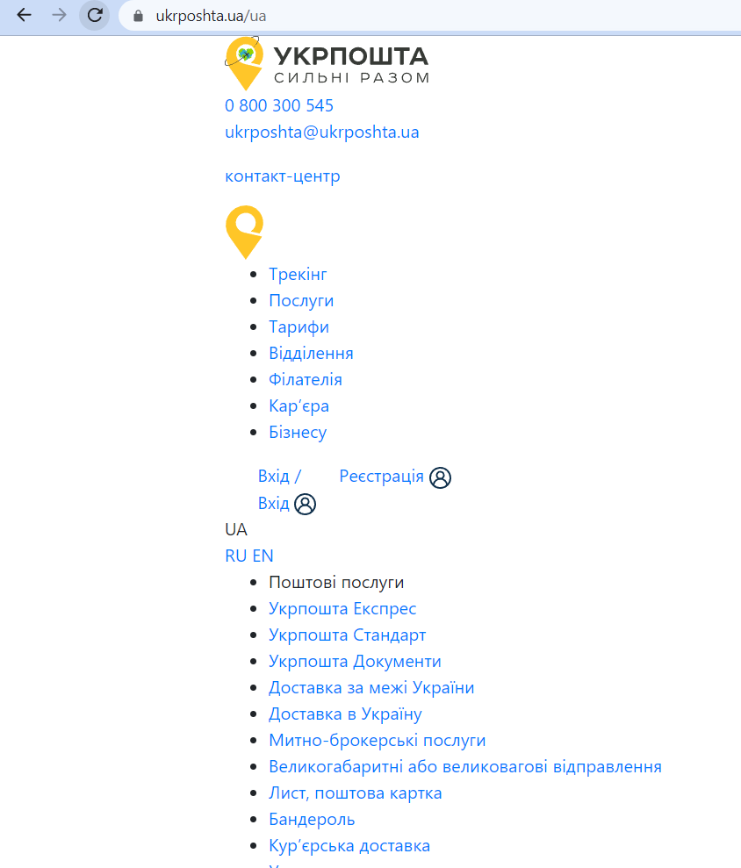
12. Check the “Трекінг” page is displayed after clicking the “Відстежити” button on the carousel block | Passed | The “Трекінг” page is displayed after clicking the “Відстежити” button on the carousel block
13. Check the "Укрпошта чат-бот" page is displayed after clicking the “Telegram”, “Viber” and “Facebook” icons on the “Онлайн-сервіси Укрпошти” block | Passed | The "Укрпошта чат-бот" page is displayed after clicking the “Telegram”, “Viber” and “Facebook” icons on the “Онлайн-сервіси Укрпошти” block
14. Check the “Знайти” button in the “Знайти індекс” block | Passed | The “Знайти поштовий індекс” page is displayed after clicking the “Знайти” button in the “Знайти індекс” block
Footer
15. Check the "Укрпошта" page is displayed in all social networks after clicking the “Facebook”, “Instagram”, “Viber”, “Telegram”, “Linkedin”, “Twitter”, “YouTube” icons | Passed | The "Укрпошта" page is displayed in all social networks after clicking the “Facebook”, “Instagram”, “Viber”, “Telegram”, “Linkedin”, “Twitter”, “YouTube” icons
16. Check the corresponding pages are displayed after clicking all links in the footer | Passed | The corresponding pages are displayed after clicking all links in the footer
17. Сheck the site content is displayed in russian after choosing russian language in the footer | Failed | The extra news block content is displayed in Ukrainian after after choosing russian language in the footer
18. Check the “Політика конфіденційності” page is displayed after clicking the corresponding link in the footer | Passed | The “Політика конфіденційності” page is displayed after clicking the corresponding link in the footer
19. Check the scrolltop button | Passed | The page is scrolled up after the clicking the scrolltop button
20. Сheck the dialing of 0 800 300 545 number in footer | Passed | The dialing window is displayed after pressing the 0 800 300 545 button

